Appraisal Ratio
Date | RBLX | S&P 5000 | Stock Monthly Returns | Market Monthly Returns | Excess Returns
2021-04-01 | 74.55 | 4181.17
2021-05-01 | 93.77 | 4204.11 | 20.50% | 0.55% | 19.95%
2021-06-01 | 89.98 | 4297.50 | -4.21% | 2.17% | -6.39%
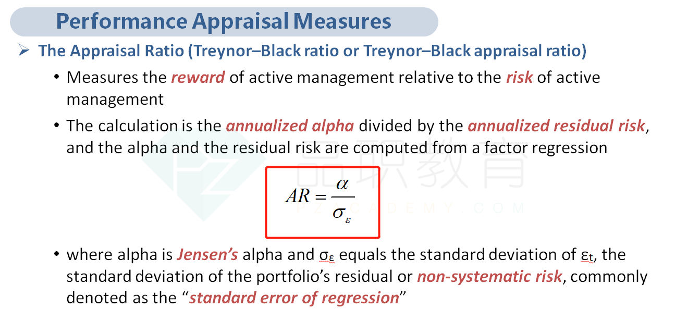
2021-07-01 | 76.98 | 4395.26 | -16.89% | 2.22% | -19.11%
2021-08-01 | 82.05 | 4522.68 | 6.18% | 2.82% | 3.36%
2021-09-01 | 75.55 | 4307.54 | -8.60% | -4.99% | -3.61%
2021-10-01 | 84.02 | 4605.38 | 10.08% | 6.47% | 3.61%
2021-11-01 | 126.10 | 4567.00 | 33.37% | -0.84% | 34.21%
2021-12-01 | 103.16 | 4766.18 | -22.24% | 4.18% | -26.42%
2022-01-01 | 65.86 | 4515.55 | -56.64% | -5.55% | -51.08%
2022-02-01 | 51.57 | 4373.94 | -27.71% | -3.24% | -24.47%
2022-03-01 | 46.24 | 4530.41 | -11.53% | 3.45% | -14.98%
2022-04-01 | 30.65 | 4131.93 | -50.86% | -9.64% | -41.22%
2022-05-01 | 29.94 | 4132.15 | -2.37% | 0.01% | -2.38%
2022-06-01 | 32.86 | 3785.38 | 8.89% | -9.16% | 18.05%
2022-07-01 | 42.93 | 4130.29 | 23.46% | 8.35% | 15.11%
2022-08-01 | 39.11 | 3955.00 | -9.77% | -4.43% | -5.34%
2022-09-01 | 35.84 | 3585.62 | -9.12% | -10.30% | 1.18%
2022-10-01 | 44.74 | 3871.98 | 19.89% | 7.40% | 12.50%
2022-11-01 | 31.77 | 4080.11 | -40.82% | 5.10% | -45.93%
2022-12-01 | 28.46 | 3839.50 | -11.63% | -6.27% | -5.36%
2023-01-01 | 33.41 | 3972.61 | 14.82% | 3.35% | 11.47%

Tracking Error | 0.2246
Average Excess Returns | -0.0604
Appraisal Ratio | -0.2689

